Z-score
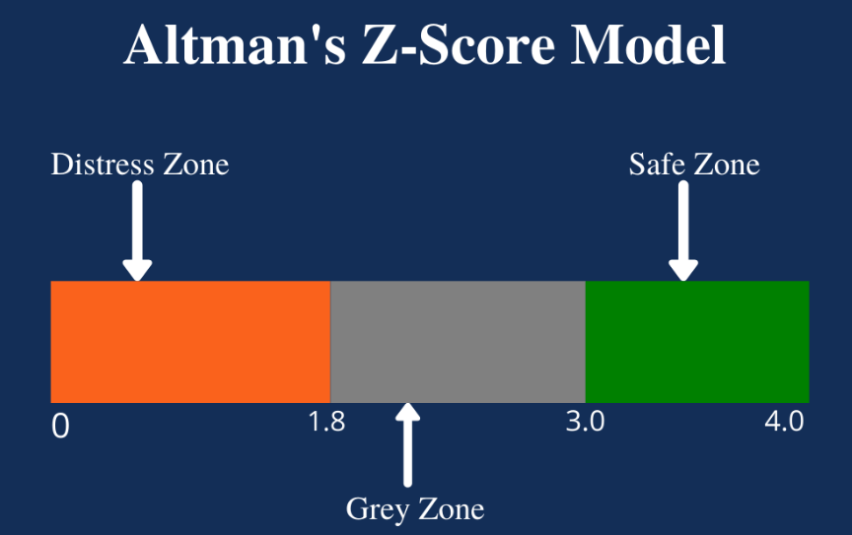
BUSI 226 : Financial Statement Analysis
Salesforce Inc
For Fiscal year ended January 31, 2024
Altman Z-score Analysis

Independent Variables | Salesforce |  |  |  |  |  | Adobe
 | 2024 |  |  | 2023 |  |  | 2023
 | $ | Ratio | Factor | $ | Ratio | Factor | $ | Ratio | Factor
Working Capital | 2,443 |  |  | 504 |  |  | 2,833
Total Assets | 99,823 | 0.02 | 1.20 | 98,849 | 0.01 | 1.20 | 29,779 | 0.10 | 1.20

Retained earnings | 11,721 |  |  | 7,585 |  |  | 33,346
Total Assets | 99,823 | 0.12 | 1.40 | 98,849 | 0.08 | 1.40 | 29,779 | 1.12 | 1.40

EBIT | 5,204 |  |  | 935 |  |  | 6,912
Total Assets | 99,823 | 0.05 | 3.30 | 98,849 | 0.01 | 3.30 | 29,779 | 0.23 | 3.30

Market Value of Equity | 279,017 |  |  | 161,414 |  |  | 271,453
Total Liabilities | 40,177 | 6.94 | 0.60 | 40,490 | 3.99 | 0.60 | 13,261 | 20.47 | 0.60

Sales | 34,857 |  |  | 31,352 |  |  | 19,409
Total Assets | 99,823 | 0.35 | 0.99 | 98,849 | 0.32 | 0.99 | 29,779 | 0.65 | 0.99
Altman Z-score |  |  | 4.88 |  |  | 2.85 |  |  | 15.38

Altman’s Z-score Model is a numerical measurement that is used to predict the chances of bankruptcy.

WACC
BUSI 226 : Financial Statement Analysis
Salesforce Inc
For Fiscal year ended January 31, 2024
Weighted Average Cost of Capital (WACC)
 |  |  | https://www.stock-analysis-on.net/NYSE/Company/Salesforce-Inc/DCF/CAPM
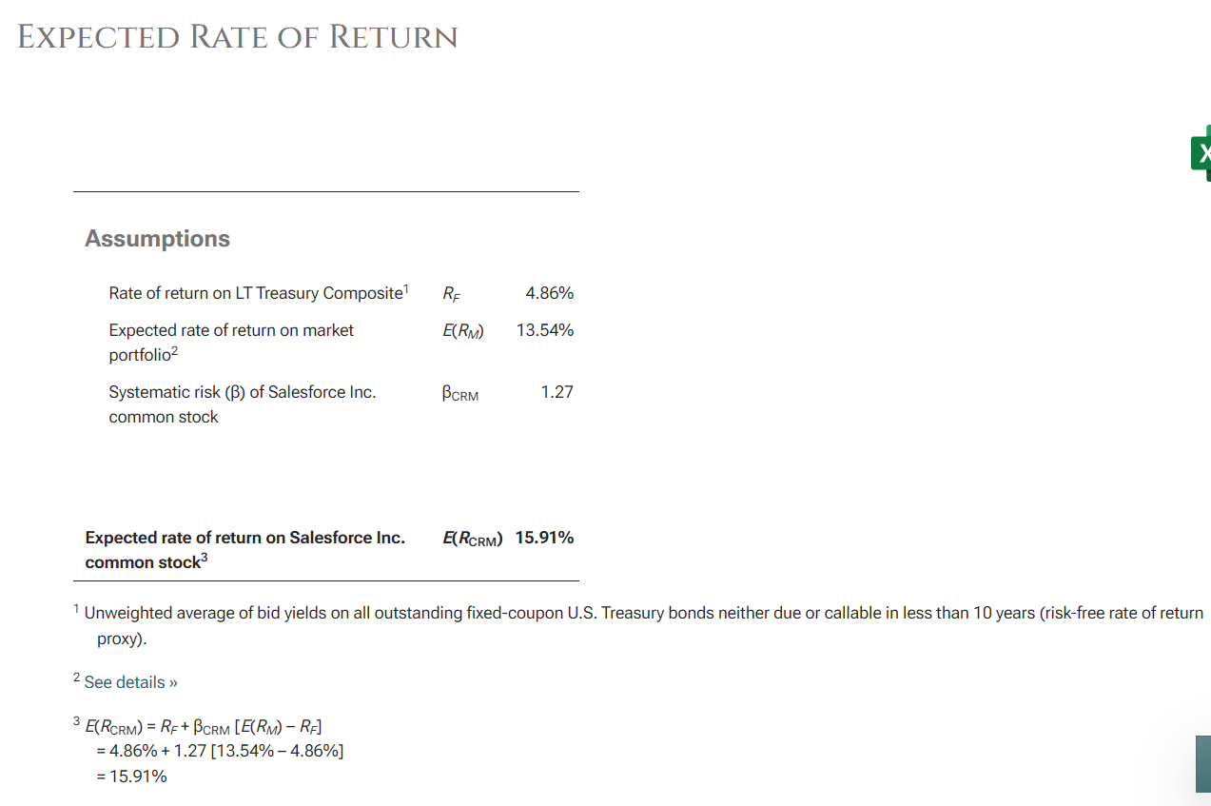
CAPM calculator | Salesforce | Adobe
Intercept (α) from market model | 0.001 | 0.0018
Beta (ß) from market model (x variable 1) | 1.16 | 1.55
Assumed return on the market | 13.54% | 13.54%
Expected return Re | 15.89% | 21.16%

Equity cost of capital
Price per share @ balance sheet date | $287.35 | 596.6
Shares outstanding per balance sheet (in millions) | 971 | 455
Market Value of Equity (in millions) | 279,017 | 271,453

Cost of debt capital
Total debt + leases (current year only) | 12,588 | 4,080
Interest/Lease Expense | 254 | 113
Average Lease & Debt | 13,338 | 4,356.50
Average interest rate (After tax debt cost of Capital) | 1.60% | 2.08%

Weighted average cost of capital (Wc) | 15.27% | 20.88%

